500XL3
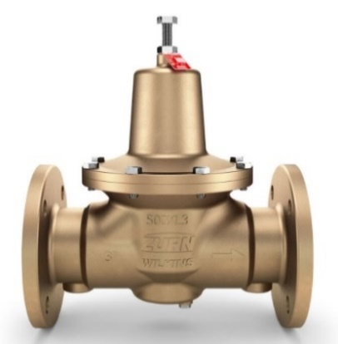
Zurn Wilkins Model 500XL3(F) |  |  | System Data (Inputs) |  |  |  | PRV Station Configuration Suggestions (Results)
 |  |  | Flow Rate* | Minimum (GPM) |  | 0 | Low flow By-pass required |  | No
 |  |  |  | Maximum (GPM) |  | 300 | Parallel PRV quantity |  | 1
 |  |  | Pressure Reduction* | Inlet (Supply) Pressure |  | 140 | Multi-stage reduction required |  | No
 |  |  |  | Desired System (Outlet) Pressure |  | 60 | Series PRV quantity |  | 1

 |  |  | Accessories |  |  |  | Total PRV count suggested |  | 1
 |  |  | System pressure monitor (sensor) required? |  |  | No | PRV reduction ratio |  | 2.33
 |  |  |  |  |  |  | Suggested configuration |  | 1BF
 |  |  | *Click "Button" Below to refresh image after changing inputs*
Suggested Configuration
 |  |  |  |  |  |  | PRV Size (Inches) |  | Fall-off (PSI) @ Maximum Flow Rate
500XL3 Product Specifications |  |  |  |  |  |  | 4 |  | 8.6
Max Working Inlet Pressure (PSI) |  | 400 | *Note: figure is only a representation of the system and may vary in detail between each application.*
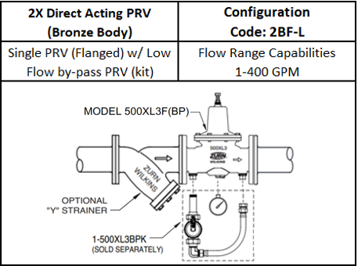
Max Water Temperature (F) |  | 140 |  |  |  |  | Instructions
Max Reduced Pressure Setting (PSI) |  | 125 |  |  |  |  | 1) Enter the value for the min. & max. flow rates for the plumbing system being designed. (If the minimum flow is unknown, leave blank or enter "0").
Min Reduced Pressure Setting (PSI) |  | 15
Minimum Flow Rate (GPM) |  | 0 |  |  |  |  | 2) Enter the value for the system's inlet pressure and the desired outlet pressure.
 |  |  |  |  |  |  | 3) Select "Yes" or "No" for the pressure monitor in the Accessories section.
Suggested Accessories |  |  |  |  |  |  | 4) Click the "Display Schematic Diagram" button and refer to the image below for a visual representation of the the "Suggested Configuration" for individual PRV, or PRV station.
'Y' Option (Wye Strainer)

 |  |  |  |  |  |  | Notes
Legend |  |  |  |  |  |  | This program will specify the proper sizing and quantities of 500XL3 valves required, based on specified pressure settings & flow characteristics input into cells 'I2' through 'I5'.
Configuration. | Description
1B(F) | One Bronze (Flanged) PRV |  |  |  |  |  | Max. flow rate suggested for each valve size matches typical 8ft/sec. plumbing velocity limit.
2B(F) | Two Bronze (Flanged) PRVs |  |  |  |  |  | Due to highly efficient flow performance, do not use a standard 500XL3 as a low flow bypass, only use the 500XL3BPK or 500XL3DUBP w/ bypass tailpiece as low flow bypass valve options.
2B-L | Two Bronze PRVs, w/ low-flow by-pass
4B-L | Four Bronze PRVs, w/ low-flow by-pass |  |  |  |  |  | Fall-off is a drop in valve outlet pressure when flowing.

Product Data Links
Click for: 500XL3 Spec. Sheet |  | Click for: 500XL3(F)(BP) (Flanged) Spec. Sheet |  |  | Click for: 1" - 2" Installation/Maint. Instructions |  |  | Click for: 2-1/2", 3" & 4" Installation /Maint. Instructions

